Sheet1
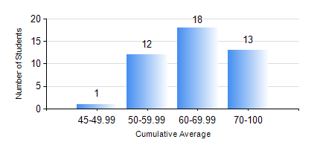
 |  |  | KWAME NKRUMAH UNIVERSITY OF SCIENCE AND TECHNOLOGY, KUMASI Department of Mechanical Engineering

 |  |  | BSC. AEROSPACE ENG., General Option

 |  |  | COMPREHENSIVE RECORD OF EXAMINATION RESULTS

 |  |  | RESULTS OF YEAR 2 SECOND SEMESTER, 2019/2020 ACADEMIC YEAR

 | Sn | Course Code |  | Course Name | Credit Hours | Min. Mark | Max. Mark | Avg. Mark | Std. Dev. | No. Passed | No. Trailed | No. (Df) | No. (I) | No. (I*) | No. Tagged(I,I*,Df) | Total
 | 1. | AERO 256 |  | AEROSPACE STRUCTURES | 3 | 43 | 83 | 64 | 9.32 | 43 | 0 | 0 | 1 | 0 | 1 | 44
 | 2. | AERO 274 |  | AEROSPACE DESIGN PROJECT II | 2 | 52 | 93 | 81 | 9.54 | 43 | 0 | 0 | 1 | 0 | 1 | 44
 | 3. | ENGL 264 |  | LITERATURE IN ENGLISH II | 1 | 48 | 87 | 72 | 10.62 | 44 | 0 | 0 | 0 | 0 | 0 | 44
 | 4. | MATH 252 |  | CALCULUS WITH SEVERAL VARIABLES | 4 | 40 | 91 | 71 | 12.4 | 43 | 0 | 0 | 1 | 0 | 1 | 44
 | 5. | ME 258 |  | COMPUTER-AIDED DESIGN AND MODELLING | 3 | 65 | 87 | 75 | 5.25 | 42 | 0 | 0 | 2 | 0 | 2 | 44
 | 6. | ME 264 |  | MECHANISMS SYNTHESIS AND ANALYSIS | 3 | 53 | 91 | 73 | 9.55 | 41 | 0 | 0 | 3 | 0 | 3 | 44
 | 7. | ME 266 |  | THERMODYNAMICS | 2 | 40 | 84 | 63 | 12.57 | 41 | 0 | 0 | 3 | 0 | 3 | 44

